WSS
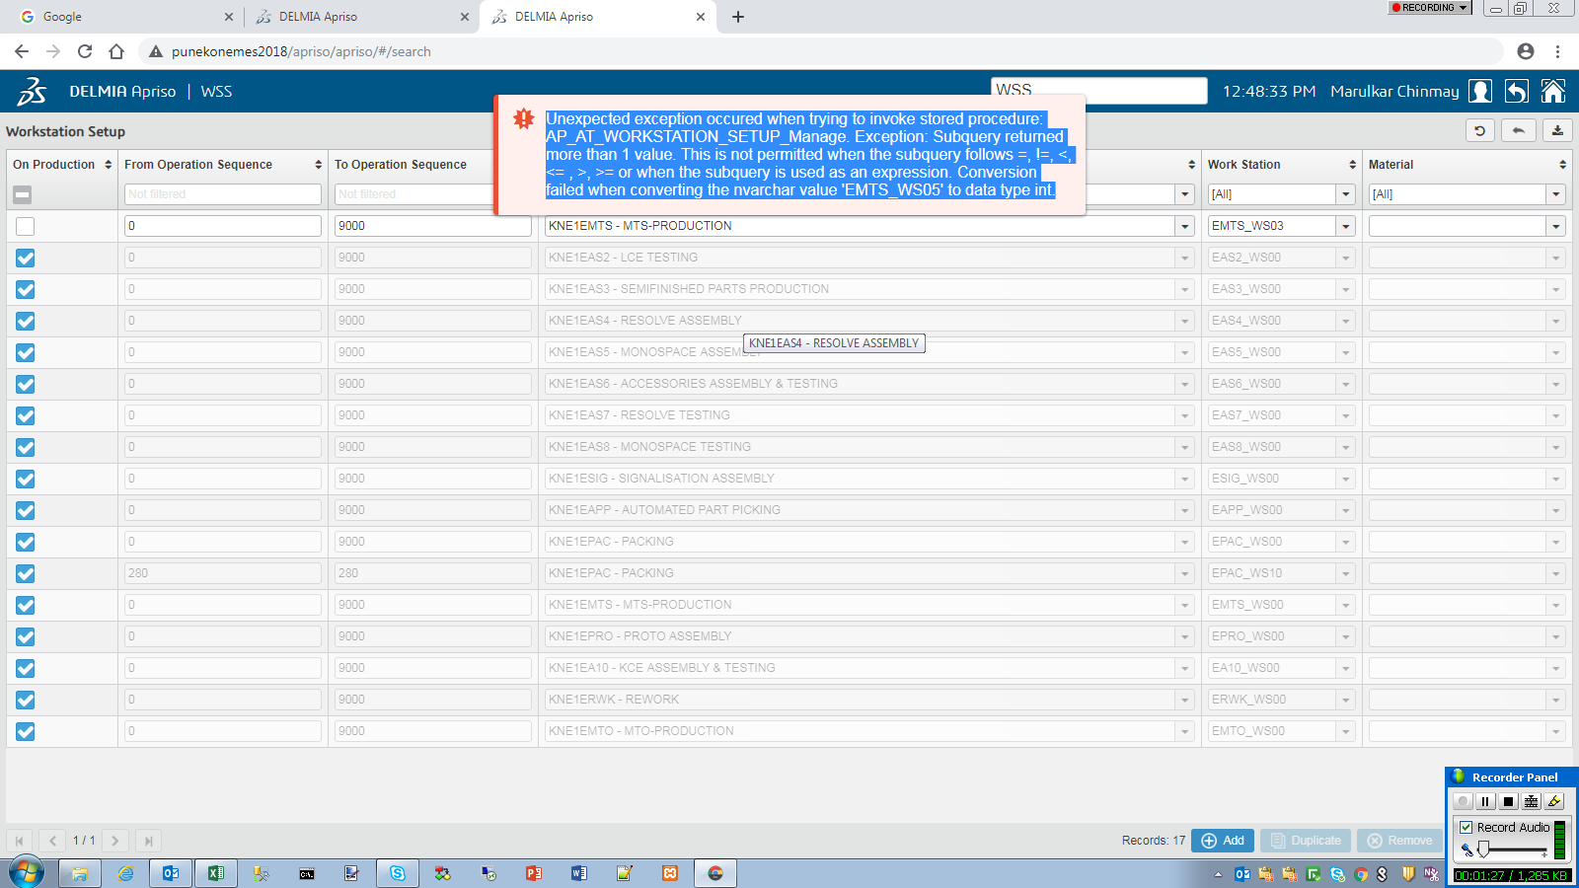
Unexpected exception occured when trying to invoke stored procedure: AP_AT_WORKSTATION_SETUP_Manage. Exception: Subquery returned more than 1 value. This is not permitted when the subquery follows =, !=, <, <= , >, >= or when the subquery is used as an expression. Conversion failed when converting the nvarchar value 'EMTS_WS05' to data type int. | Error coming when selecting EMTS_WS05 workstation.

LOG
 | Issue | Screenshots | Description
1 | End Day taking too much time ie about 5 mins. Operation timed out. | 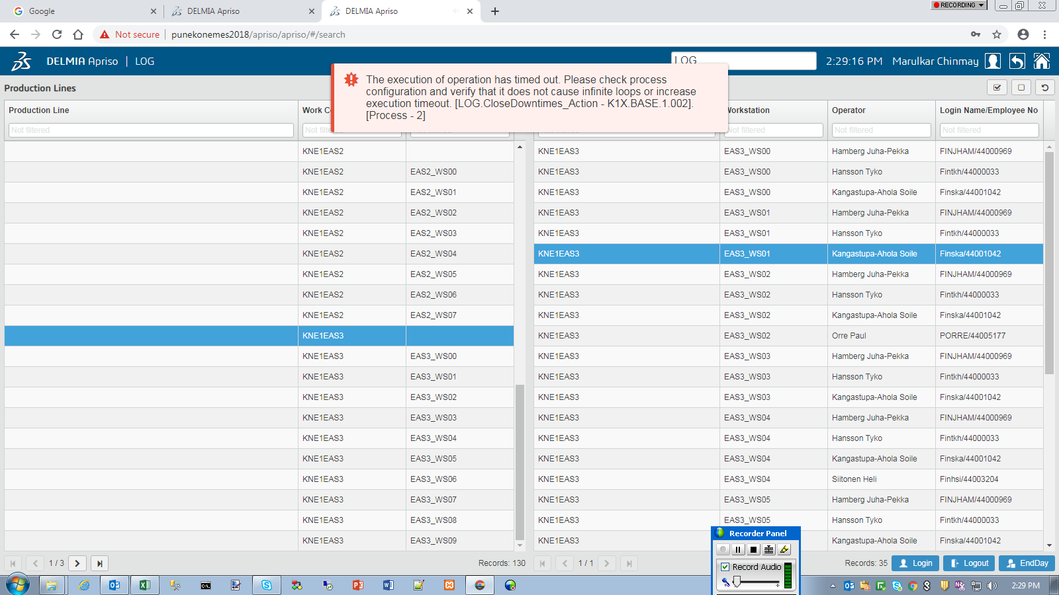
2 | Login selection grid half filled in windows. | 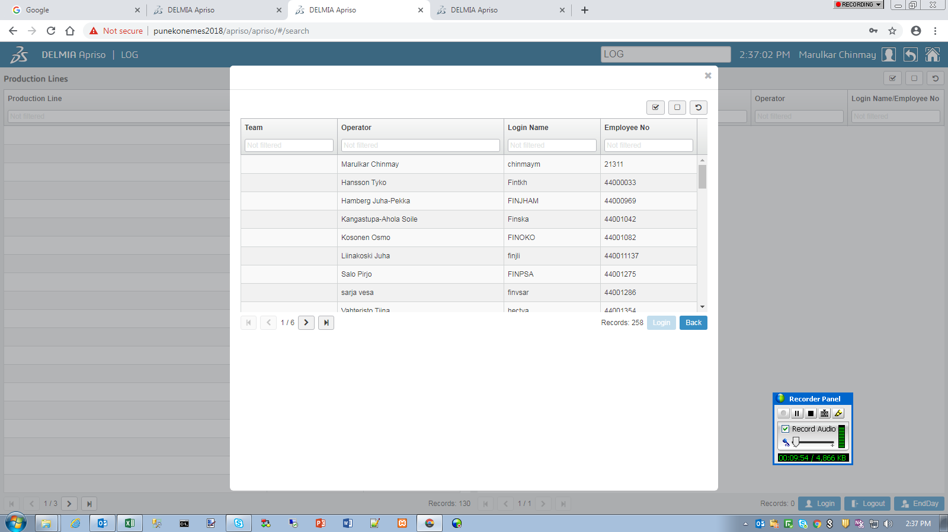 | No open space in QA.
3 | Users are logged in multiple times. | 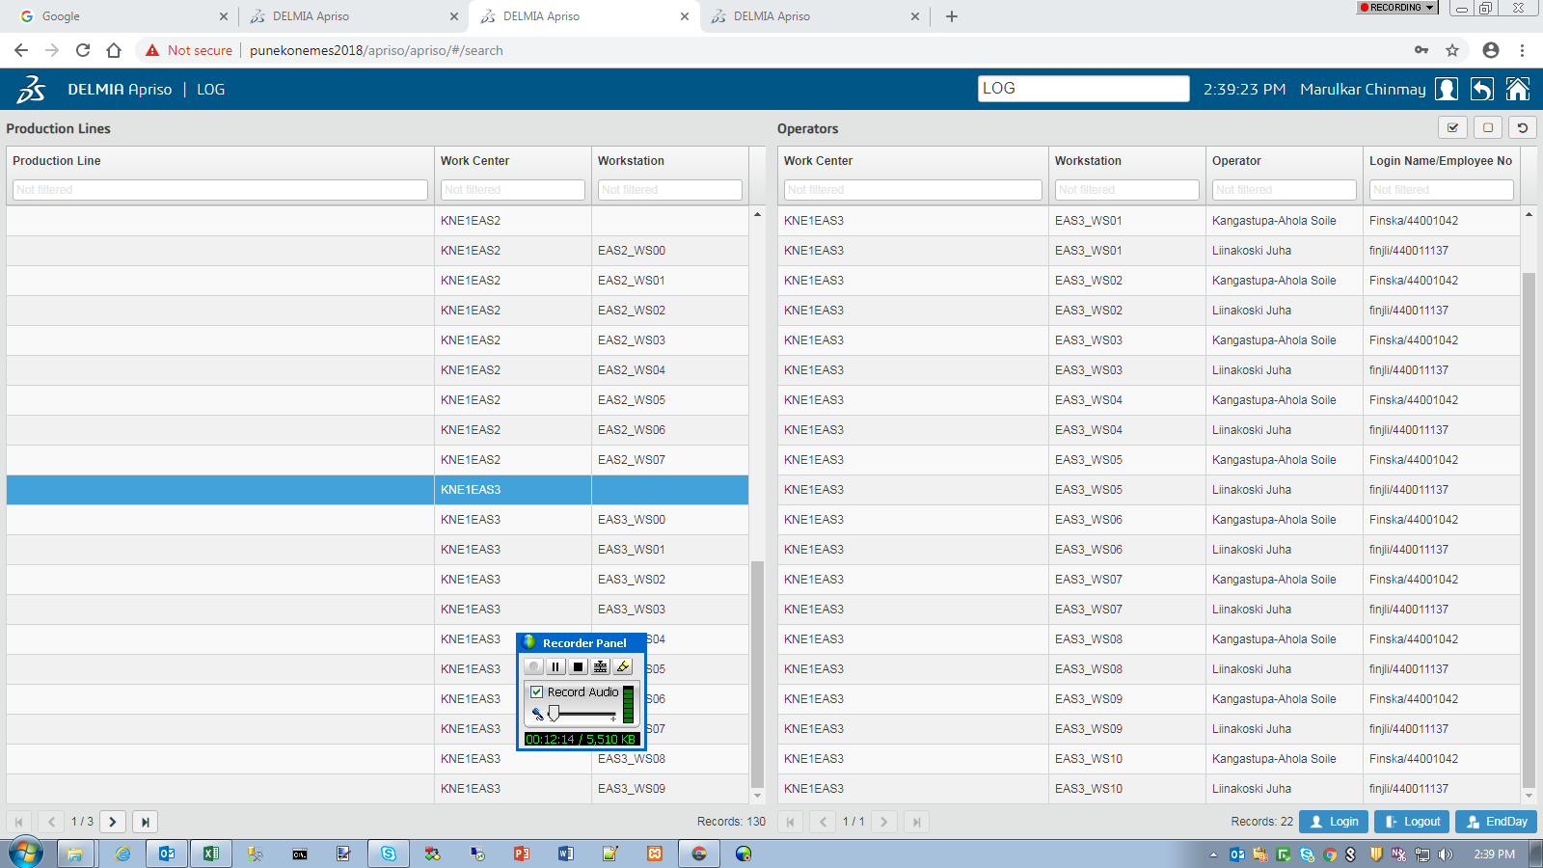 | A blank work center logins 2 selected users for all work station.

IVL
 | Issue | Screenshots | Description
1 | Loading GIF not visible while changing profile, | 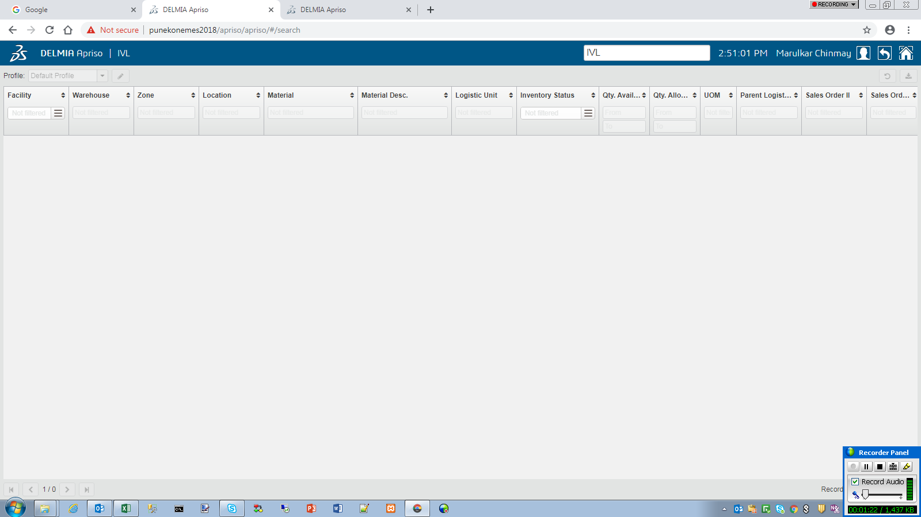
2
3

PAK
 | Issue | Screenshots | Description
1 | Characteristics tab in right grid didn't open. | 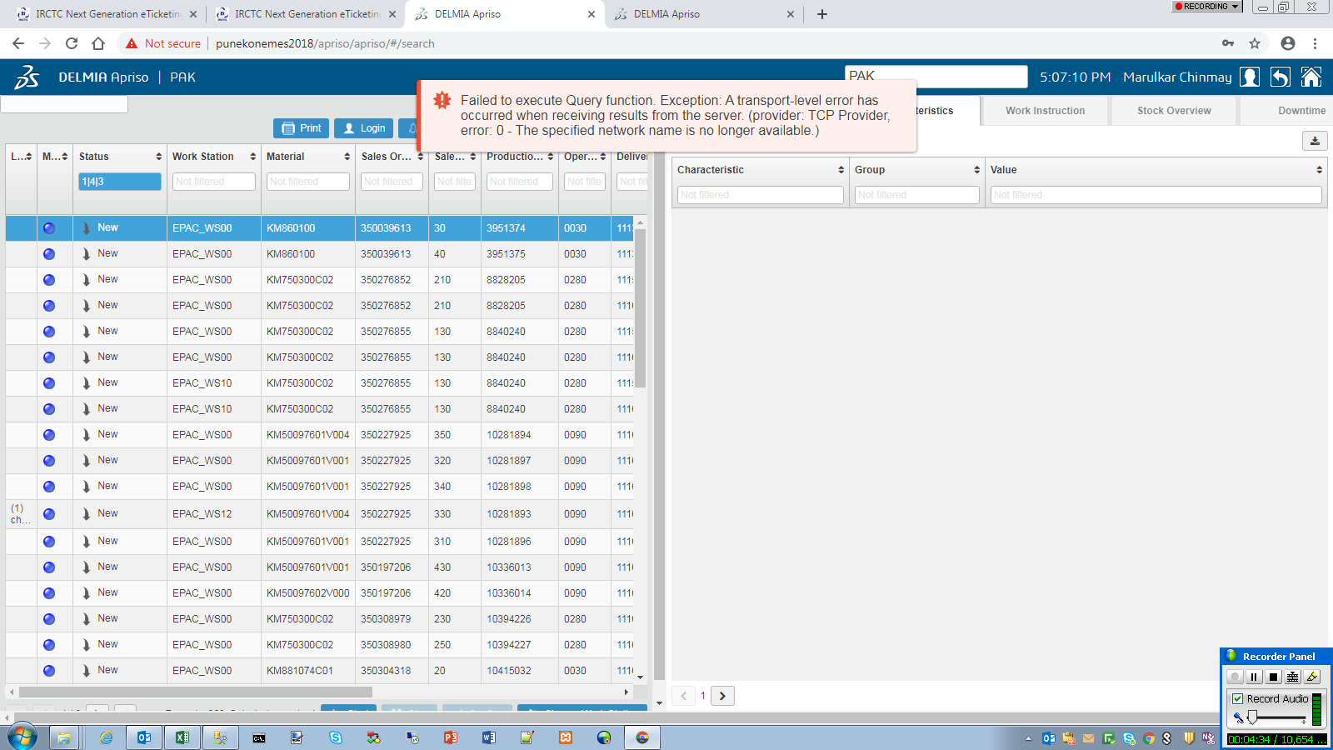 | Failed to execute Query function. Exception: A transport-level error has occurred when receiving results from the server. (provider: TCP Provider, error: 0 - The specified network name is no longer available.) Error didn't came after reselecting.
2 | Work instruction link didn't open. | 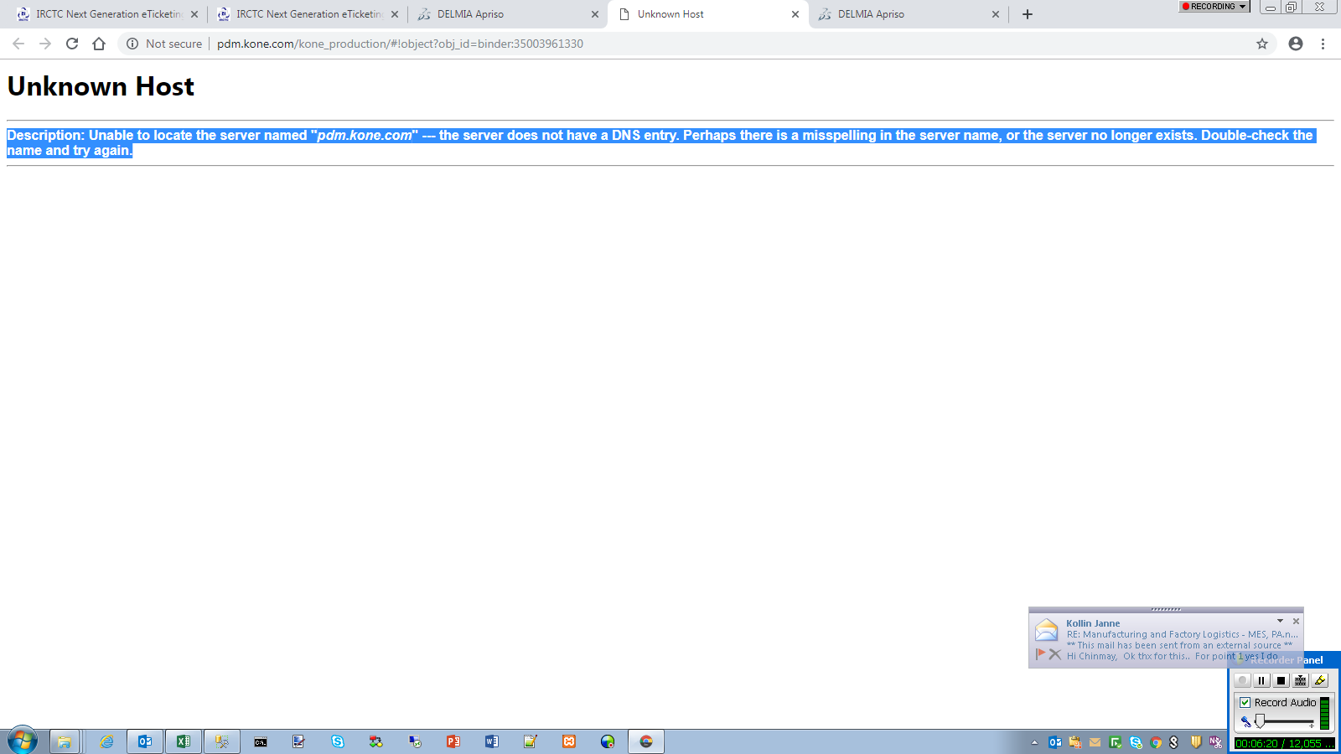 | Description: Unable to locate the server named "pdm.kone.com" --- the server does not have a DNS entry. Perhaps there is a misspelling in the server name, or the server no longer exists. Double-check the name and try again.
3 | Downtime context in foreign language. | 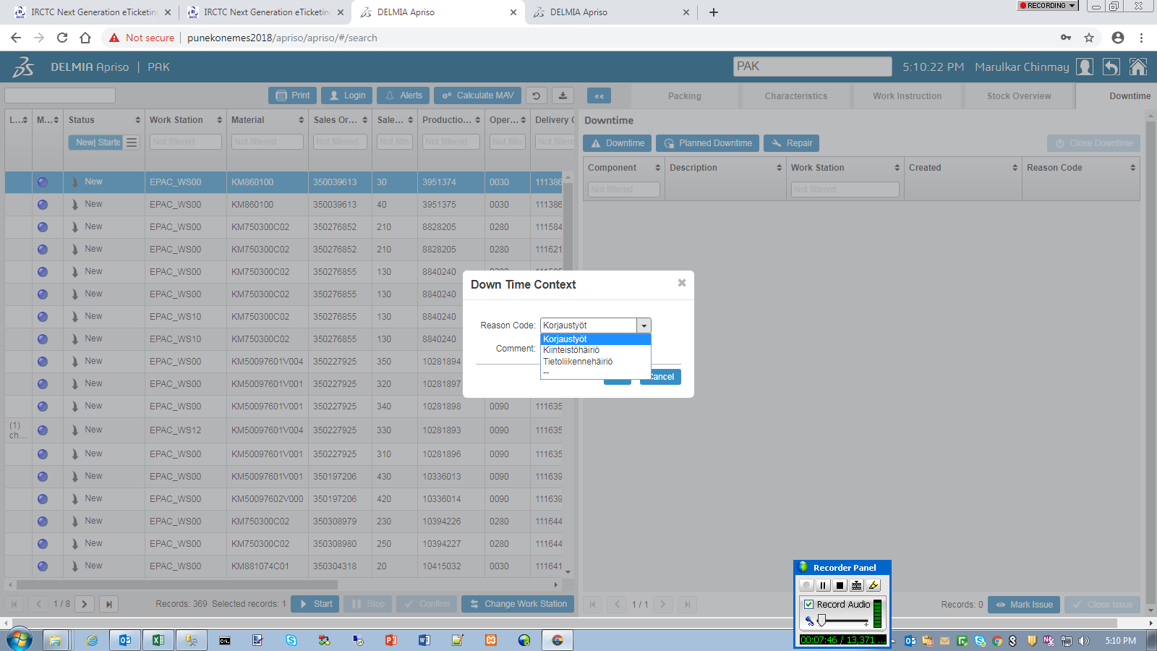
4 | Alert operation didn't open. | 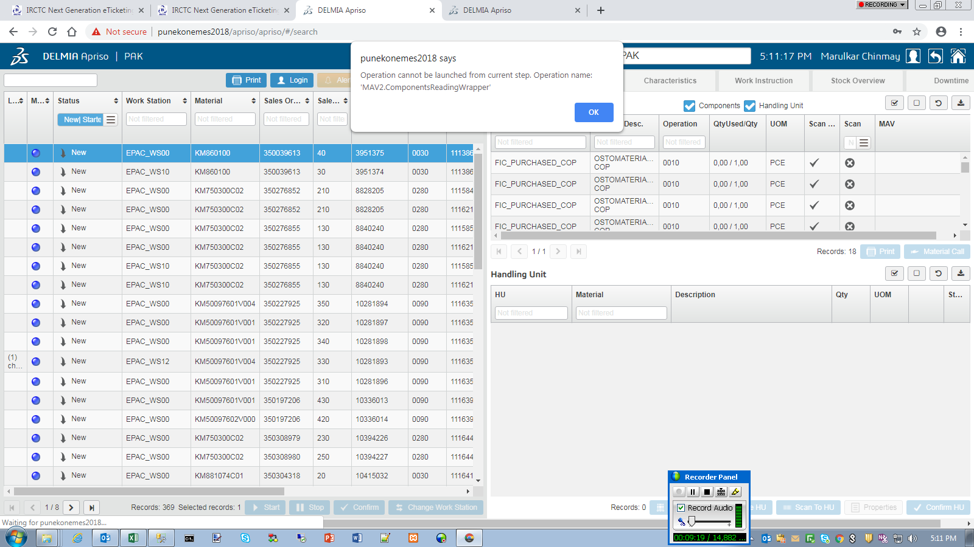 | Operation cannot be launched from current step. Operation name: 'MAV2.ComponentsReadingWrapper'
5 | Even after acknoledging alert stays. | 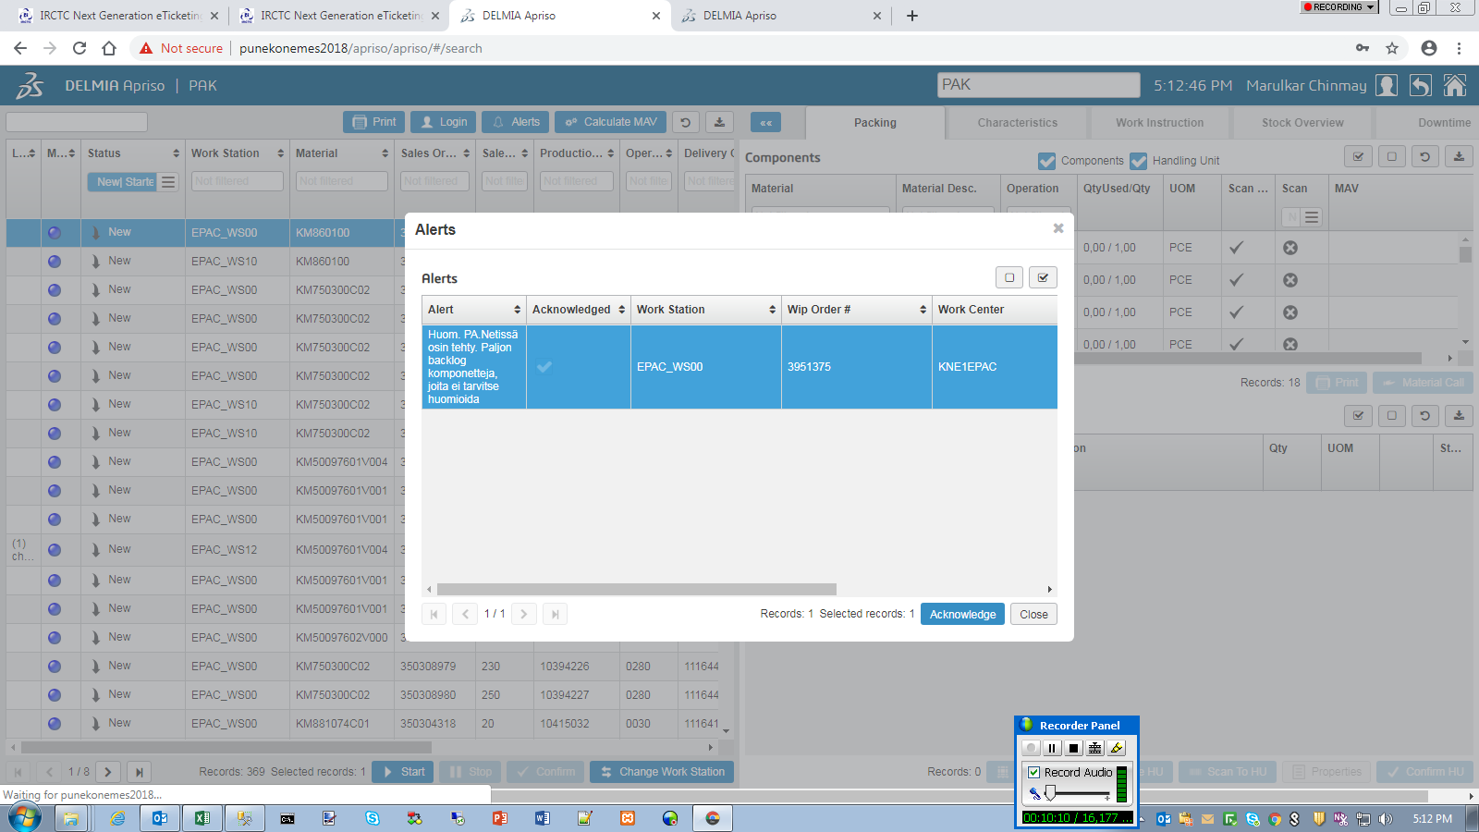
6 | Grid fails loading several times. | 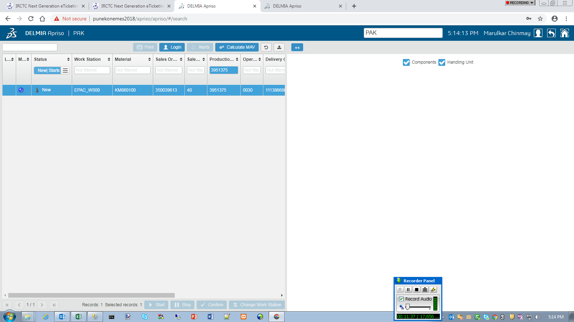
7 | Not able to start operation. | 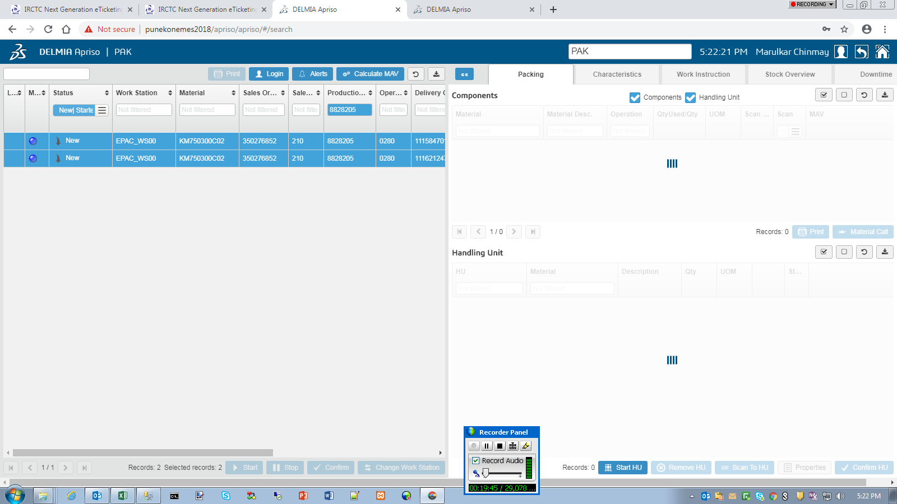
8 | Business Component method failed while creating HU. | 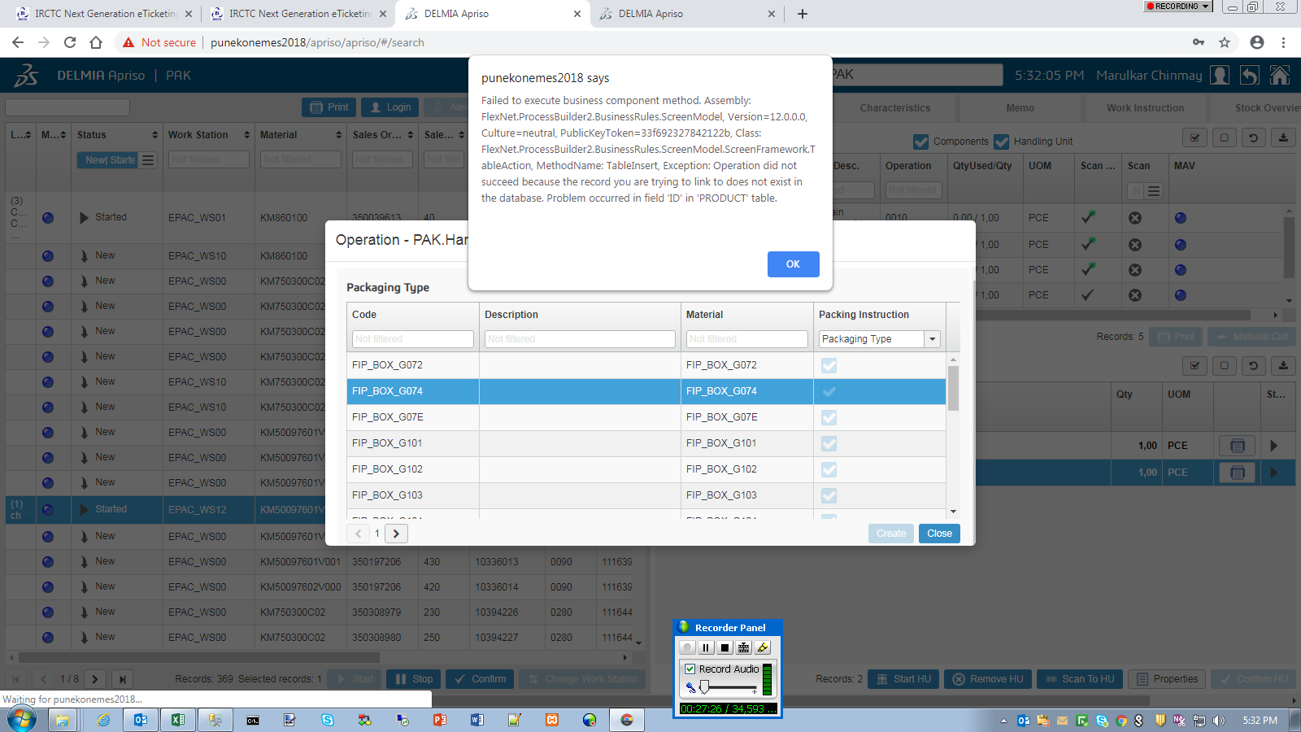 | Failed to execute business component method. Assembly: FlexNet.ProcessBuilder2.BusinessRules.ScreenModel, Version=12.0.0.0, Culture=neutral, PublicKeyToken=33f692327842122b, Class: FlexNet.ProcessBuilder2.BusinessRules.ScreenModel.ScreenFramework.TableAction, MethodName: TableInsert, Exception: Operation did not succeed because the record you are trying to link to does not exist in the database. Problem occurred in field 'ID' in 'PRODUCT' table.
9 | While removing one material from HU removed all materials. | 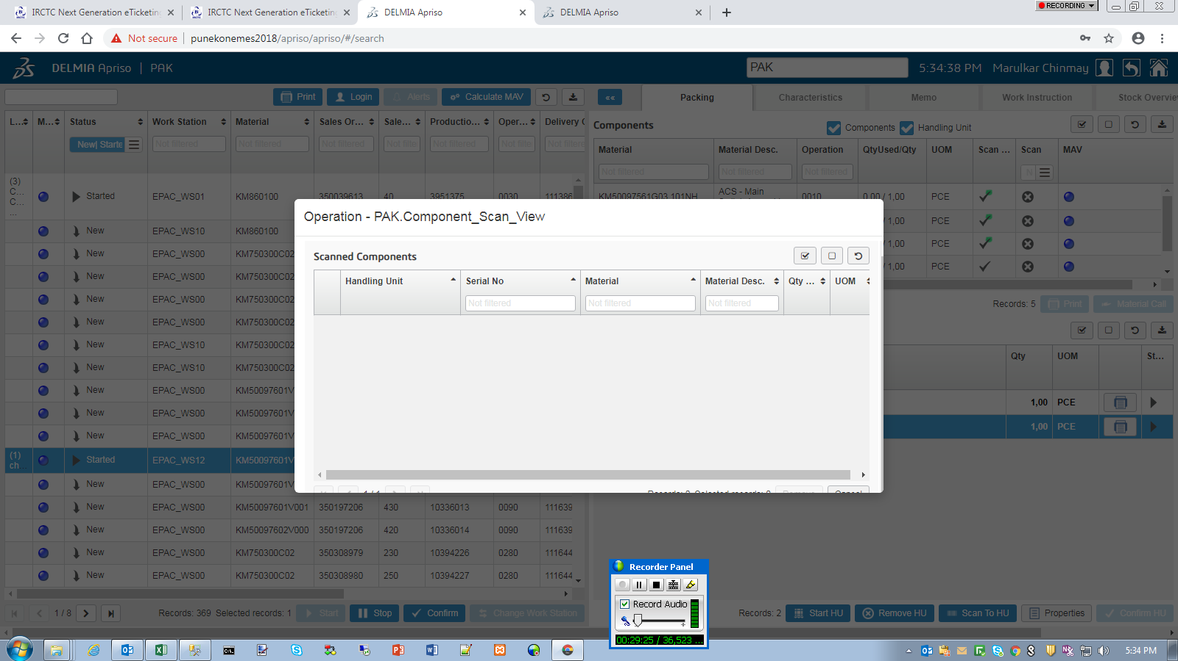
10 | HU Component scan grid partially visible. | 
11 | Removing a component fails loading of grid.

EPS
 | Issue | Screenshots | Description
1 | Validation failed, still added | 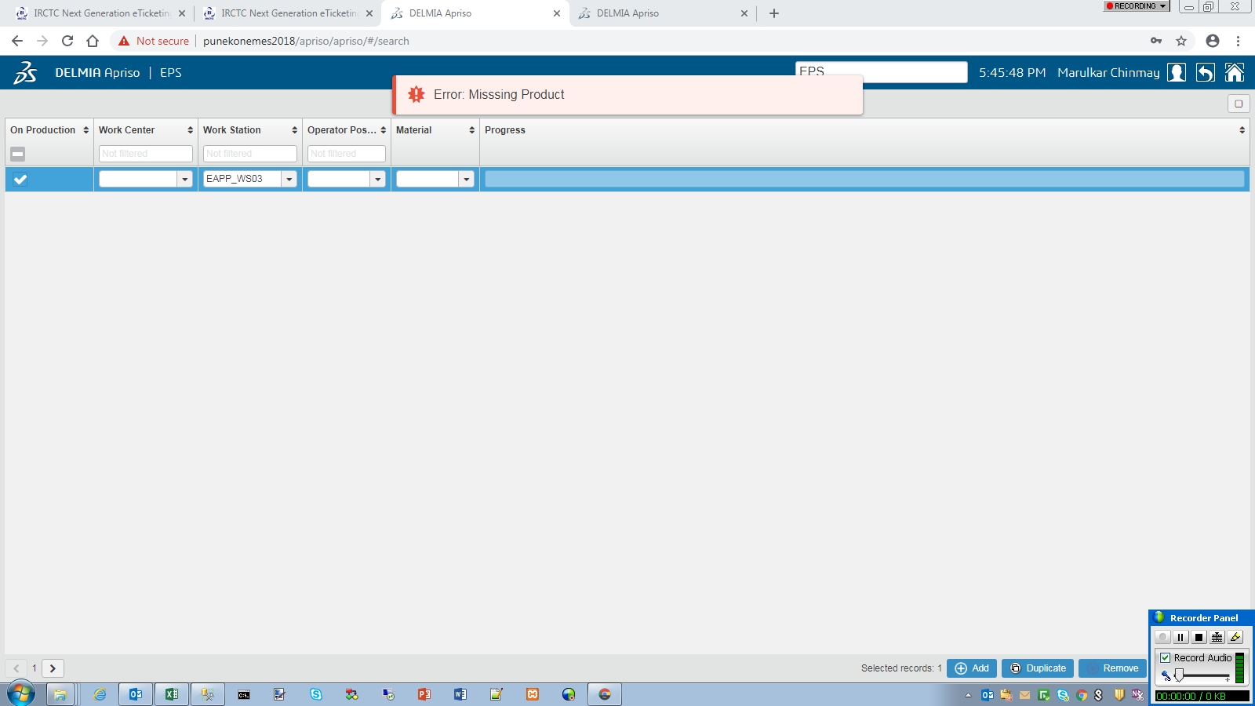
2
3

AMT
 | Issue | Screenshots | Description
1 | No matter how many Work Center selected the dashboard comes the number selected first time. Same with Work Station. | 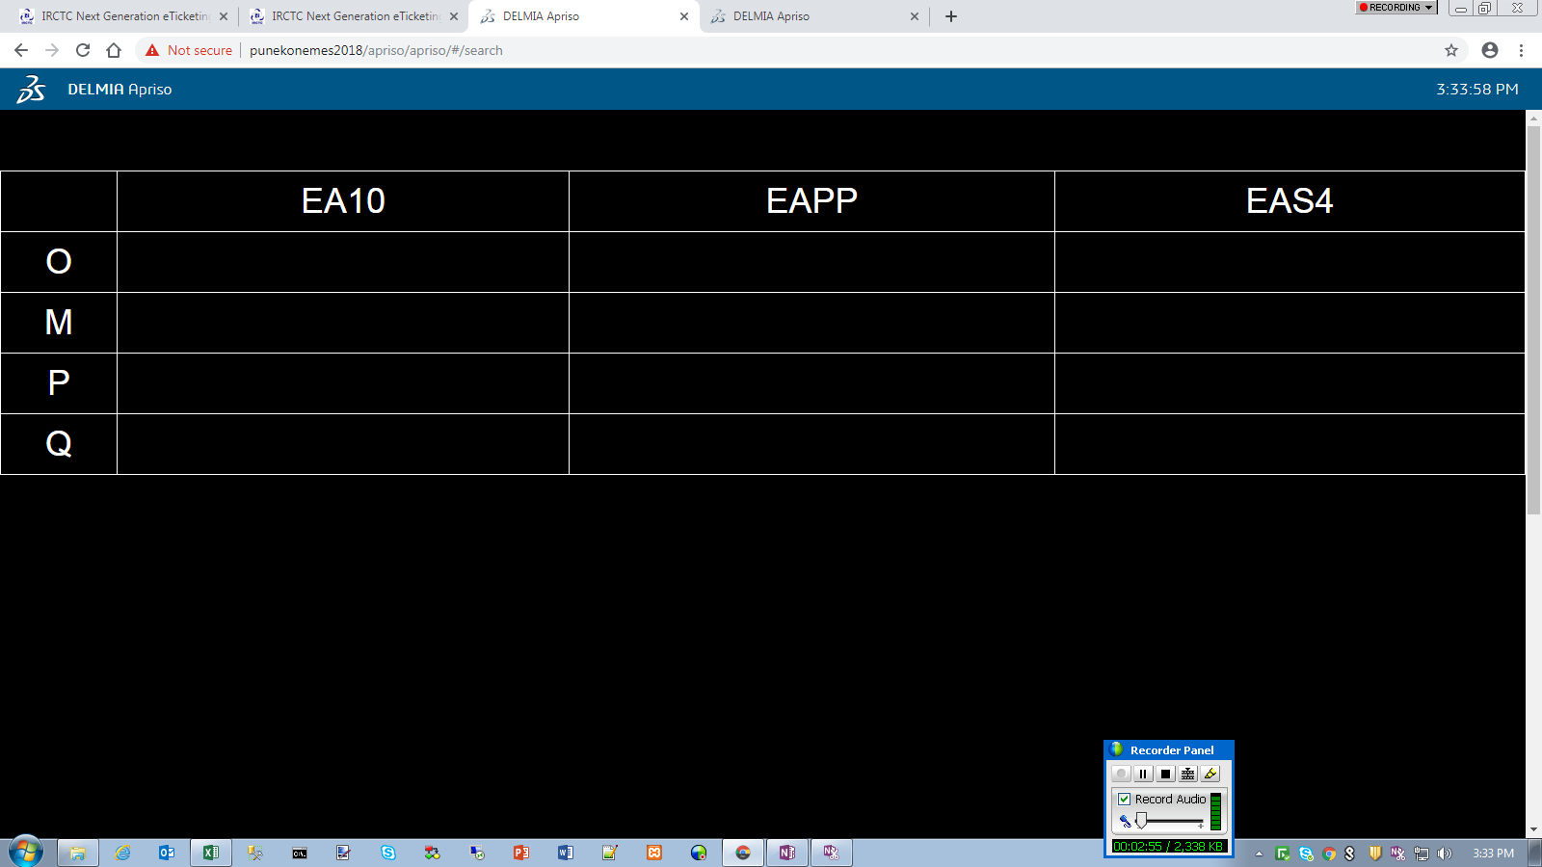 | Ex - First time 5 tab selected. Dashboard shows 5. Second time 2 selected still 5 are shown.
2
3

ARS
 | Issue | Screenshots | Description
1 | Acknowledgement button visible outside in screen. So can be pressed even there is no andon. | 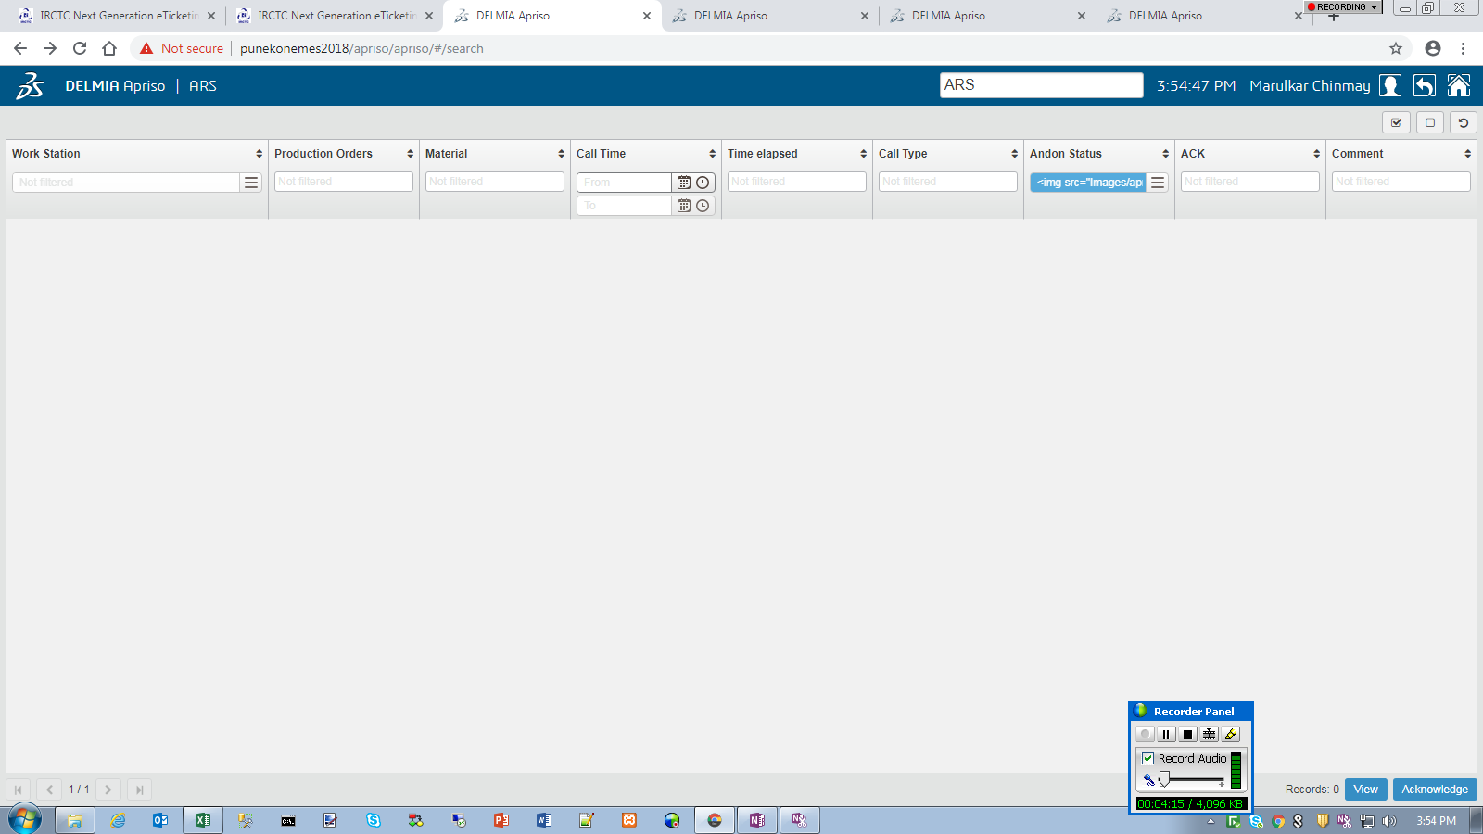
 |  | 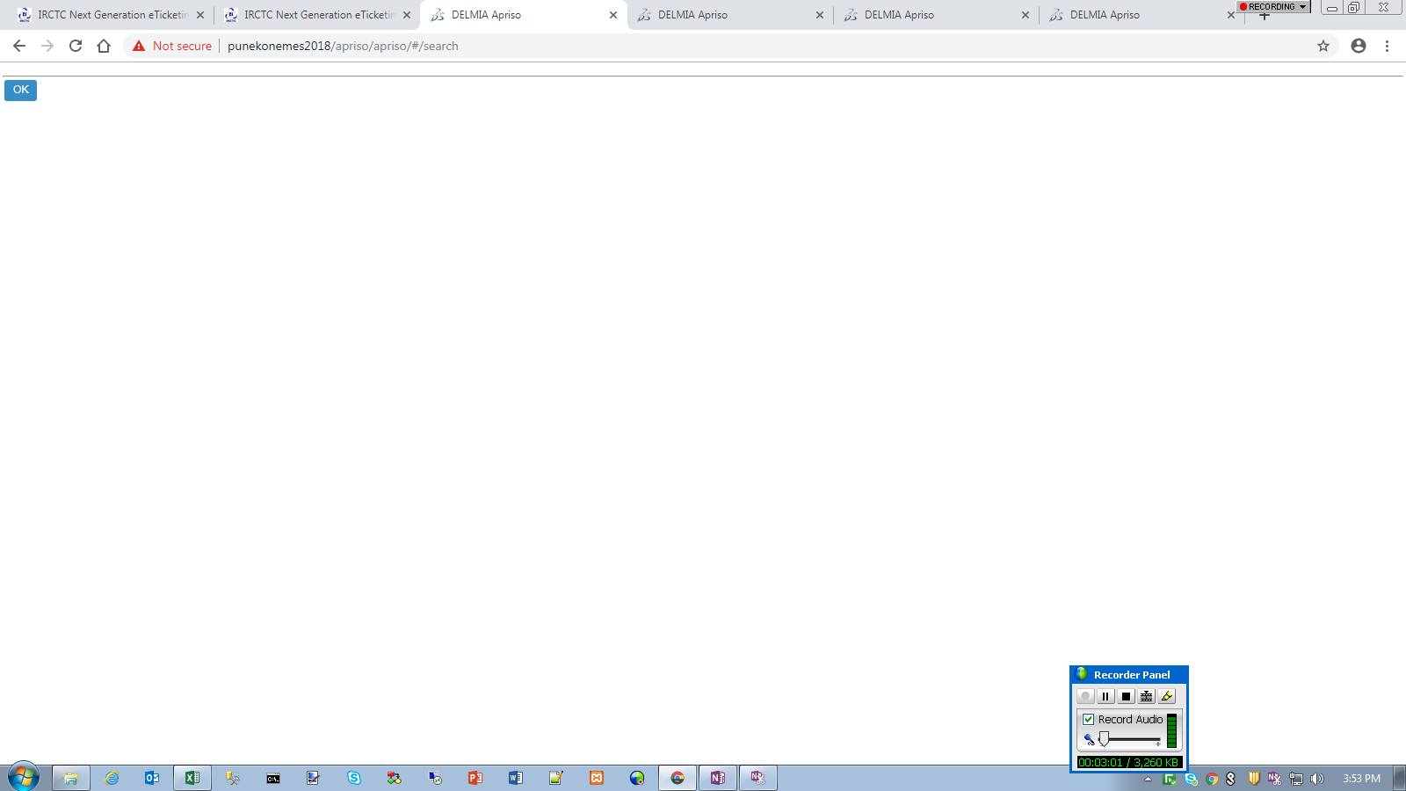

QEX
 | Issue | Screenshots | Description
1 | Right upper grid alignnation immporoperly. | 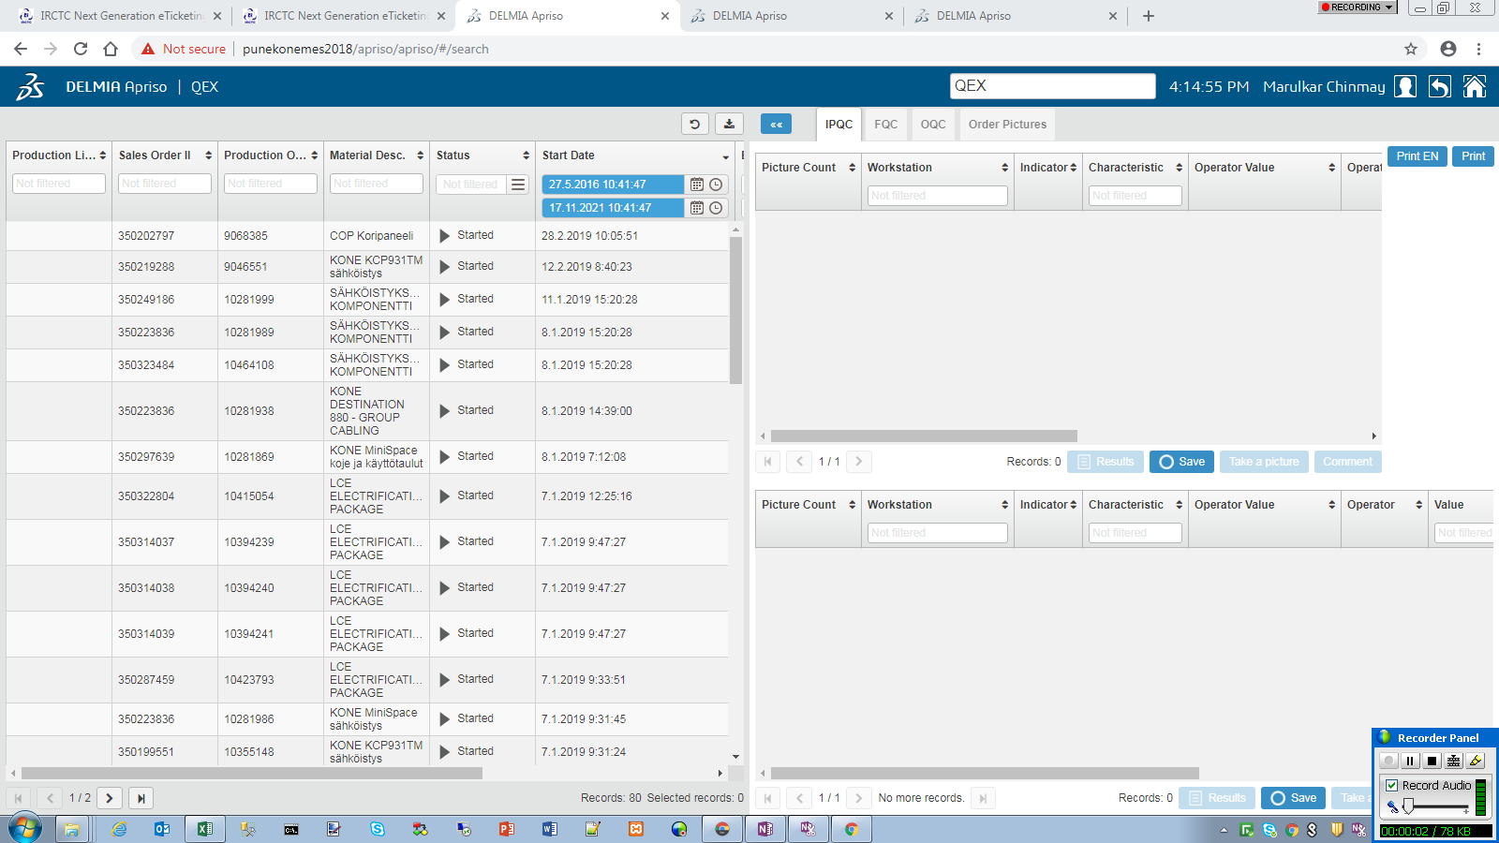
2 | Printer selection pop-up. | 